formula
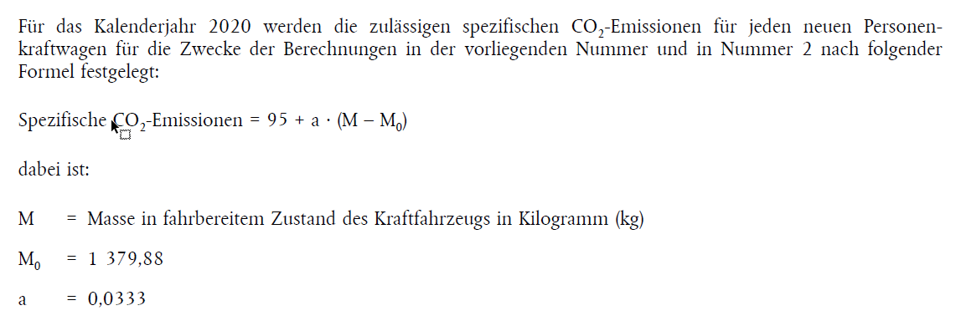
https://eur-lex.europa.eu/legal-content/DE/TXT/PDF/?uri=CELEX:32019R0631&from=EN

